References
References

Baptista, F., Silva, L. L., & Fitas da Cruz, V. (n.d.). Energy efficiency in the olive groves and olive oil mills. Departamento de Engenharia Rural, Escola de Ciências e Tecnologia, MED – Instituto Mediterrâneo para a Agricultura, Ambiente e Desenvolvimento, Universidade de Évora.
Cappelletti, G. M., Ioppolo, G., Nicoletti, G. M., & Russo, C. (2014). Energy requirement of extra virgin olive oil production. Sustainability, 6(8), 4966–4974. https://doi.org/10.3390/su6084966
Jensen, A., Mogensen, L., van der Werf, H. M. G., Xie, Y., Kristensen, H. L., & Knudsen, M. T. (2024). Environmental impacts and potential mitigation options for organic open-field vegetable production in Denmark assessed through life cycle assessment. Sustainable Production and Consumption, 46, 132–145.
Jordbruksverket. (2013). Ekonomi i fruktodling: Kalkyler för äpple (Jordbruksinformation 5–2010, rev. feb. 2013).
Jordbruksverket. (2013). Ekonomi i bärodling: Kalkyler för svartvinbär.
Karlsson, J. O., Karlsson-Potter, H., Lagnelöv, O., Ericsson, N., Einarsson, R., & Hansson, P.-A. (2025). CIBUSmod 25.09: A spatially disaggregated biophysical agri-food systems model for studying national-level demand- and production-side intervention scenarios. Geoscientific Model Development, 18, 8589–8611. https://doi.org/10.5194/gmd-18-8589-2025
Nab, C., & Maslin, M. (2020). Life cycle assessment synthesis of the carbon footprint of Arabica coffee: Case study of Brazil and Vietnam conventional and sustainable coffee production and export to the United Kingdom. Geo: Geography and Environment, 8(1), e00096. https://doi.org/10.1002/geo2.96
Suppen-Reynaga, N., Guerrero, A. B., Dominguez, E. R., Sacayón, E., & Solano, A. (2024). Life cycle assessment of bananas, melons, and watermelons from Costa Rica. Cleaner and Circular Bioeconomy, 9, 100120. https://doi.org/10.1016/j.clcb.2024.100120
Yaghmour, M., Haviland, D. R., Fichtner, E. J., Sanden, B. L., Viveros, M., Sumner, D. A., Stewart, D. E., & Gutierrez, C. A. (2016). Sample costs to establish an orchard and produce almonds: San Joaquin Valley South, double line drip irrigation. University of California Agriculture and Natural Resources, Cooperative Extension, Agricultural Issues Center, Department of Agricultural and Resource Economics, University of California, Davis.

Olives

kg/100 kg | yield (t) | kg diesel per hectare |  | Figure 2
0.24 | 7 | 16.8 |  | Cappelletti et al. (2014)
0.6 | 9 | 54
1.02 | 10 | 102
Average |  | 58 | kg diesel per ha

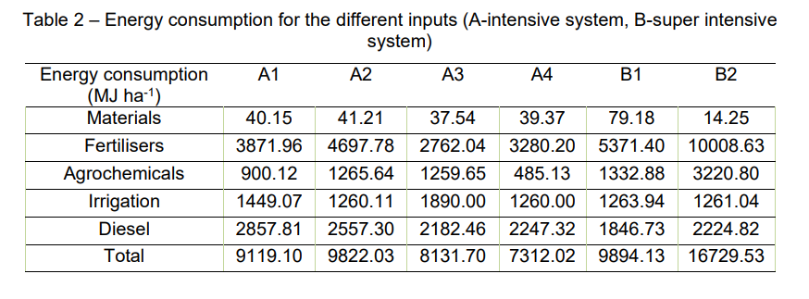
 |  |  |  |  | Baptista et al (n.d)

Average |  | 2318.8333333 | MJ/ha
 |  | 65 | kg diesel per ha

Rapport med detaljerad dieselanvändning för olika fältoperationer för Spanien (ej använt):
https://www.idae.es/uploads/documentos/documentos_10255_Consumos_energeticos_operaciones_agricolas_Espana_05_d94c1676.pdf

